Calculator
GMROI CALCULATOR |  | Roll over for Comments

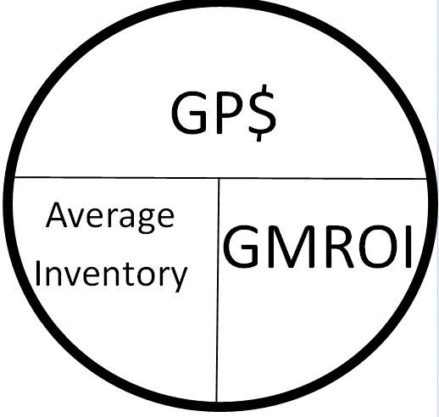
Look for little red markers for notes throughout this spread sheet
Enter the Gross Margin Return on your investment you would like to have ($1.50) or higher recommended
 | $1.50
 | 1.5
Enter your total sales for the period you want to sample (YTD, MTD or other)
Enter Blue Values to use the Calculator
Red Values will be calculated for you.
 | $50,000.00

Enter your Cost of those goods sold in that same sample period
 | $40,000.00

Enter your Average Inventory across that time period |  |  | Turns | 4
 | $10,000.00

This is your current GMROI
 | $1.00 | For every dollar you've invested this is what you take in at the cash register

This is the highest dollar amount of inventory you should keep to hit your GMRIO goal
 | $6,666.67

This is the adjustment you need to make to your inventory to stay profitable
 | -$3,333.33 | A positive number indicates you can safely stock more of this product

Built by Geno Kreis at Music Villa Bozeman Montana www.musicvilla.com

